PERFORMANCE
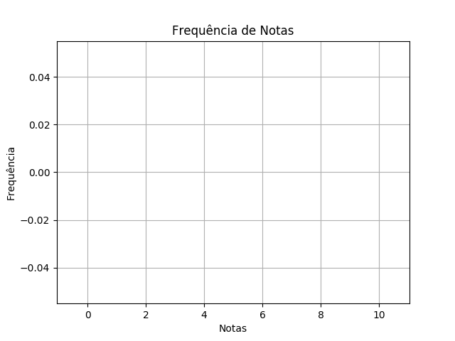
 | BIO SEM4 TPS 2 BRASÍLIA DISTRATOR |  |  |  | 11/03/2020 | Customers
 | RELATÓRIO DE PERFORMANCE
 |  | DISTRATORES
 | MAIOR: nan | MENOR: nan | MÉDIA: nan | DESVIO: nan

 | Matriz de Distratores
 | A | B | C | D | E
Q. 1 | 0 ✓ | 0 | 0 | 0 | 0
Q. 2 | 0 | 0 ✓ | 0 | 0 | 0
Q. 3 | 0 | 0 | 0 | 0 ✓ | 0
Q. 4 | 0 | 0 ✓ | 0 | 0 | 0
Q. 5 | 0 | 0 | 0 ✓ | 0 | 0
Q. 6 | 0 ✓ | 0 | 0 | 0 | 0
Q. 7 | 0 | 0 ✓ | 0 | 0 | 0
Q. 8 | 0 | 0 | 0 | 0 ✓ | 0
Q. 9 | 0 | 0 | 0 | 0 ✓ | 0
Q. 10 | 0 | 0 | 0 | 0 ✓ | 0

